Sheet1 (3)
 | Number of customers (n) | Maximum age of the products(s) | Number of vehicles (K) | Number of periods(H) | Capacity of the vehicle(Q_k)
 | 10 | 2 | 1 | 3 | 1535

 | X-coor depoit | Y-coor depoit | Initial inventory depoit | Replenishments for period 1 | Replenishments for period 2 | Replenishments for period 3 | Holding costs for products of age 0 | Holding costs for products of age 1 | Holding costs for products of age 2
 | 793 | 335 | 2457 | 2457 | 2457 | 2457 | 0.92 | 0.28 | 0.34 |  |  |  |  |  | Period 1

Customer | X-coor customer | Y-coor customer | Capacity of the customer inventory | Initial inventory for the customer | Demand for period 1 | Demand for period 2 | Demand for period 3 | Revenue for product of age 0 | Revenue for product of age 1 | Revenue for product of age 2 | Holding cost for product of age 0 | Holding cost for product of age 1 | Holding cost for product of age 2 |  | Demand for period 1 | Revenue for product of age 0 | Revenue | Inventory | Holding cost for product of age 0 | Holding cost | Inventory left at depot: | Holding costs for products of age 0 | Holding cost at depoit | Profit: Revenue - holding cost
1 | 567 | 429 | 332 | 250 | 82 | 166 | 101 | 12.0 | 12.0 | 4.0 | 0.3 | 0.63 | 0.92 |  | 82 | 12 | 984 | 168 | 0.3 | 50.4 | 2457 | 0.92 | 2260.44 | 15,233
2 | 229 | 373 | 206 | 103 | 103 | 46 | 61 | 14.0 | 10.0 | 6.0 | 0.19 | 0.48 | 0.28 |  | 103 | 14 | 1442 | 0 | 0.19 | 0
3 | 996 | 281 | 366 | 220 | 146 | 183 | 152 | 14.0 | 10.0 | 4.0 | 0.25 | 0.38 | 0.59 |  | 146 | 14 | 2044 | 74 | 0.25 | 18.5
4 | 434 | 364 | 576 | 384 | 192 | 75 | 104 | 17.0 | 11.0 | 5.0 | 0.5 | 0.91 | 0.93 |  | 192 | 17 | 3264 | 192 | 0.5 | 96
5 | 739 | 12 | 324 | 162 | 162 | 90 | 146 | 14.0 | 10.0 | 6.0 | 0.86 | 0.82 | 0.39 |  | 162 | 14 | 2268 | 0 | 0.86 | 0
6 | 301 | 280 | 414 | 207 | 207 | 102 | 82 | 15.0 | 7.0 | 6.0 | 0.41 | 0.36 | 0.37 |  | 207 | 15 | 3105 | 0 | 0.41 | 0
7 | 567 | 856 | 555 | 504 | 51 | 185 | 39 | 16.0 | 13.0 | 6.0 | 0.53 | 1.01 | 0.89 |  | 51 | 16 | 816 | 453 | 0.53 | 240.09
8 | 708 | 715 | 298 | 265 | 33 | 149 | 120 | 16.0 | 10.0 | 5.0 | 0.49 | 0.54 | 0.62 |  | 33 | 16 | 528 | 232 | 0.49 | 113.68
9 | 193 | 500 | 196 | 122 | 74 | 98 | 31 | 14.0 | 9.0 | 5.0 | 0.64 | 0.64 | 0.76 |  | 74 | 14 | 1036 | 48 | 0.64 | 30.72
10 | 275 | 407 | 284 | 142 | 142 | 21 | 47 | 18.0 | 10.0 | 4.0 | 0.21 | 0.61 | 0.53 |  | 142 | 18 | 2556 | 0 | 0.21 | 0
 |  |  | 3551 | 2359 | 1192 | 1115 | 883 |  |  |  |  |  |  |  |  |  | 18,043 |  |  | 549.39
 |  |  |  |  |  |  |  |  |  |  |  |  |  |  |  |  | Same as the code gives us

 |  |  |  |  |  |  |  |  |  |  |  |  |  | Period 2

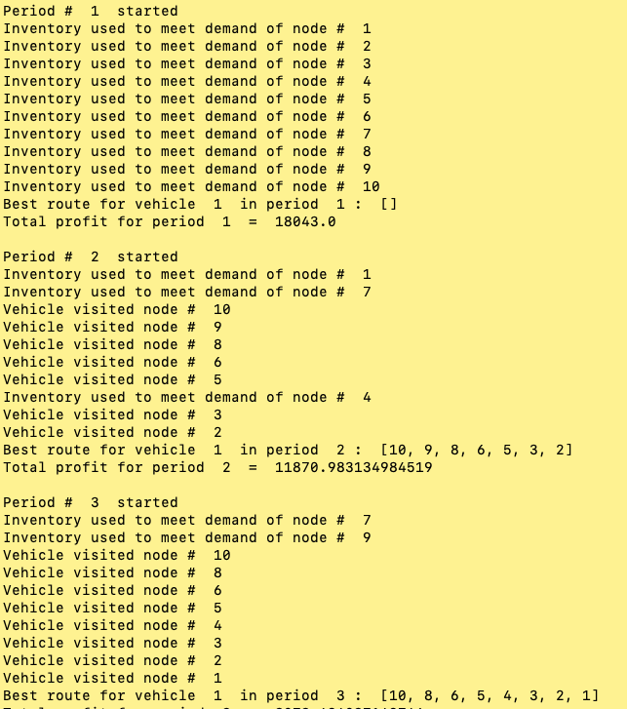
 |  |  |  |  |  |  |  |  |  |  |  |  |  |  |  |  |  |  |  |  |  |  |  |  |  | Depoit:
 |  |  |  |  |  |  |  |  |  |  |  |  |  | Customer | Initial Inventory: | Old inventory used: | Demand for period 2 | Revenue for product of age 0 | Revenue for product of age 1 | Revenue using old inventory: | Revenue using new inventory | Transportation cost: | Holding cost for product of age 1 | Inventory of product of age 1 | Total HC for product age 1 | Inventory left at depot of age 1: | Holding costs for products of age 1 | Holding cost at depoit for product of age 1 | Inventory left at depot of age 0: | Holding costs for products of age 0 | Holding cost at depoit for product of age 0 | Profit: Revenue - holding cost
 |  |  |  |  |  |  |  |  |  |  |  |  |  | 1 | 168 | 166 | 166 | 12 | 12 | 1992 |  | Manually calculated could be error | 0.63 | 2 | 1.26 | 2457 | 0.28 | 687.96 | 1748 | 0.92 | 1608.16 | 8,829
 |  |  |  |  |  |  |  |  |  |  |  |  |  | 2 | 0 | 0 | 46 | 14 | 10.0 |  | 644 | Manually calculated could be error | 0.48 | 0 | 0
 |  |  |  |  |  |  |  |  |  |  |  |  |  | 3 | 74 | 0 | 183 | 14 | 10.0 |  | 2562 | Manually calculated could be error | 0.38 | 74 | 28.12
 |  |  |  |  |  |  |  |  |  |  |  |  |  | 4 | 192 | 75 | 75 | 17 | 11 | 825 |  | Manually calculated could be error | 0.91 | 117 | 106.47
 |  |  |  |  |  |  |  |  |  |  |  |  |  | 5 | 0 | 0 | 90 | 14 | 10.0 |  | 1260 | Manually calculated could be error | 0.82 | 0 | 0
 |  |  |  |  |  |  |  |  |  |  |  |  |  | 6 | 0 | 0 | 102 | 15 | 7.0 |  | 1530 | Manually calculated could be error | 0.36 | 0 | 0
 |  |  |  |  |  |  |  |  |  |  |  |  |  | 7 | 453 | 185 | 185 | 16 | 13 | 2405 |  | Manually calculated could be error | 1.01 | 268 | 270.68
 |  |  |  |  |  |  |  |  |  |  |  |  |  | 8 | 232 | 0 | 149 | 16 | 10.0 |  | 2384 | Manually calculated could be error | 0.54 | 232 | 125.28
 |  |  |  |  |  |  |  |  |  |  |  |  |  | 9 | 48 | 0 | 98 | 14 | 9.0 |  | 1372 | Manually calculated could be error | 0.64 | 48 | 30.72
 |  |  |  |  |  |  |  |  |  |  |  |  |  | 10 | 0 | 0 | 41 | 18 | 10.0 |  | 738 | Manually calculated could be error | 0.61 | 0 | 0
 |  |  |  |  |  |  |  |  |  |  |  |  |  |  |  |  |  |  |  | 5222 | 10490 | 4024 |  |  | 562.53
 |  |  |  |  |  |  |  |  |  |  |  |  |  |  |  |  |  |  |  |  | 15712
 |  |  |  |  |  |  |  |  |  |  |  |  |  |  |  |  |  |  |  |  | Same as in the code!

 |  |  |  |  |  |  |  |  |  |  |  |  |  | Period 3

 |  |  |  |  |  |  |  |  |  |  |  |  |  | Customer | Initial Inventory: | Old inventory used: | Transported items | Demand for period 3 | Revenue for product of age 0 | Revenue for product of age 2 | Revenue using old inventory: | Revenue using new inventory | Transportation cost: | Holding cost for product of age 2 | Inventory of product of age 2 | Total HC for product age 2 | Inventory left at depot of age 2: | Holding costs for products of age 2 | Holding cost at depoit for product of age 2 | Inventory left at depot of age 1: | Holding costs for products of age 1 | Holding cost at depoit for product of age 1 | Inventory left at depot of age 0: | Holding costs for products of age 0 | Holding cost at depoit for product of age 0 | Profit: Revenue - holding cost
 |  |  |  |  |  |  |  |  |  |  |  |  |  | 1 | 2 |  | 101 | 101 | 12 | 4 | 0 | 1,212 | Manually calculated could be error | 0.92 | 2 | 1.84 | 2457 | 0.34 | 835.38 | 1748 | 0.28 | 489.44 | 1644 | 0.92 | 1512.48 | 4,047
 |  |  |  |  |  |  |  |  |  |  |  |  |  | 2 | 0 |  | 61 | 61 | 14 | 6 | 0 | 854 | Manually calculated could be error | 0.28 | 0 | 0
 |  |  |  |  |  |  |  |  |  |  |  |  |  | 3 | 74 |  | 152 | 152 | 14 | 4 | 0 | 2,128 | Manually calculated could be error | 0.59 | 74 | 43.66
 |  |  |  |  |  |  |  |  |  |  |  |  |  | 4 | 117 |  | 104 | 104 | 17 | 5 | 0 | 1,768 | Manually calculated could be error | 0.93 | 117 | 108.81
 |  |  |  |  |  |  |  |  |  |  |  |  |  | 5 | 0 |  | 146 | 146 | 14 | 6 | 0 | 2,044 | Manually calculated could be error | 0.39 | 0 | 0
 |  |  |  |  |  |  |  |  |  |  |  |  |  | 6 | 0 |  | 82 | 82 | 15 | 6 | 0 | 1,230 | Manually calculated could be error | 0.37 | 0 | 0
 |  |  |  |  |  |  |  |  |  |  |  |  |  | 7 | 268 | 39 |  | 39 | 16 | 6 | 234 | - | Manually calculated could be error | 0.89 | 229 | 203.81
 |  |  |  |  |  |  |  |  |  |  |  |  |  | 8 | 232 |  | 120 | 120 | 16 | 5 | 0 | 1,920 | Manually calculated could be error | 0.62 | 232 | 143.84
 |  |  |  |  |  |  |  |  |  |  |  |  |  | 9 | 48 | 31 |  | 31 | 14 | 5 | 155 | - | Manually calculated could be error | 0.76 | 17 | 12.92
 |  |  |  |  |  |  |  |  |  |  |  |  |  | 10 | 0 |  | 47 | 47 | 18 | 4 | 0 | 846 | Manually calculated could be error | 0.53 | 0 | 0
 |  |  |  |  |  |  |  |  |  |  |  |  |  |  |  |  | 813 |  |  |  | 389 | 12,002 | 4992 |  |  | 514.88
 |  |  |  |  |  |  |  |  |  |  |  |  |  |  |  |  |  |  |  |  |  | 12,391

 |  |  |  |  |  |  |  |  |  |  |  |  |  |  |  |  |  |  |  |  |  | Total profit: | 28,109

